Workflow Diagrams
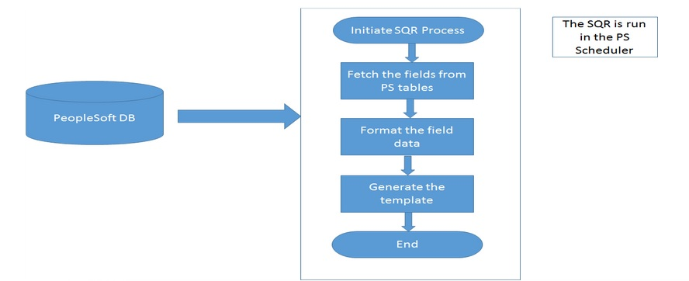
AP_PSDE.SQR - AP_PSDE (PeopleSoft Data Extractor) Design Specification
 | Workflow Diagrams

